Sheet1
alpha | cl
-9.9294117647 | -1.0676198486
-9.0294117647 | -0.99192598823
-8.0411764706 | -0.88090832632
-7.0352941176 | -0.773254836
-5.9941176471 | -0.66055508831
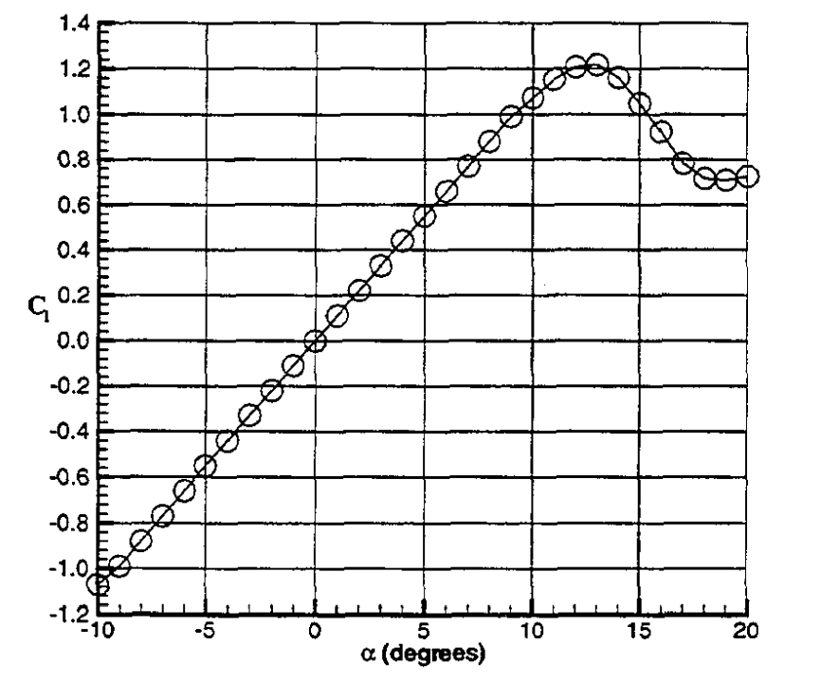
-5.0588235294 | -0.55290159798
-4.0176470588 | -0.44188393608
-2.9941176471 | -0.32750210261
-1.9352941176 | -0.21816652649
-0.96470588235 | -0.10883095038
0.041176470588 | -0.0028595458368
1.0823529412 | 0.10984020185
2.1235294118 | 0.22590412111
3.0588235294 | 0.32851135408
4.1 | 0.43952901598
5.1058823529 | 0.54718250631
6.1294117647 | 0.65820016821
7.1352941176 | 0.76921783011
8.1058823529 | 0.87687132044
9.0941176471 | 0.98452481077
10.1 | 1.0686291001
11.123529412 | 1.1527333894
12.094117647 | 1.2065601346
13.117647059 | 1.2132884777
14.070588235 | 1.1577796468
15.076470588 | 1.0417157275
16.082352941 | 0.91555929352
17.088235294 | 0.7826745164
18.094117647 | 0.71539108495
19.011764706 | 0.70698065601
19.982352941 | 0.7204373423
19.011764706 | 0.70698065601
19.982352941 | 0.7204373423

